Grid Battery Storage
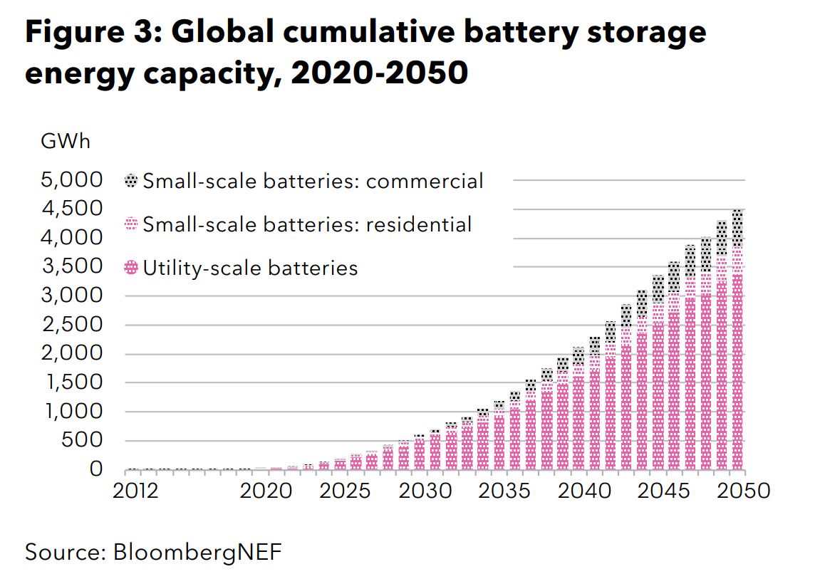
*Online piexel ruler used to read BENF figure.
Pixels per 500 GWh | 42

 | 2020 | 2025 | 2030 | 2035 | 2040 | 2045 | 2050
Number of pixels | 2 | 13 | 48 | 96 | 170 | 270 | 365
MWh storage | 23809.52381 | 154761.90476 | 571428.57143 | 1142857.1429 | 2023809.5238 | 3214285.7143 | 4345238.0952

Interpolated | 2019 | 2020 | 2021 | 2022 | 2023 | 2024 | 2025 | 2026 | 2027 | 2028 | 2029 | 2030 | 2031 | 2032 | 2033 | 2034 | 2035 | 2036 | 2037 | 2038 | 2039 | 2040 | 2041 | 2042 | 2043 | 2044 | 2045 | 2046 | 2047 | 2048 | 2049 | 2050

EV Batteries
The table below is from BNEF's Long-Term Electric Vehicle Outlook 2020. This full report is behind a paywall, but the Executive Summary is available for download. BNEF only has data on the annual demand for Li-ion batteries for EVs, not the cumulative stock of EV battery storage. But, this data can be used to estimate the stock of EV battery storage in place (i.e., you could model EV retirements and stock changes from this data). It is important to note that BNEF has one of the most aggressive EV forecasts right now, and therefore their estimates of EV battery demand are also likely to be on the higher end of the spectrum.
The table below is from BNEF's Long-Term Electric Vehicle Outlook 2020. This full report is behind a paywall, but the Executive Summary is available for download. BNEF only has data on the annual demand for Li-ion batteries for EVs, not the cumulative stock of EV battery storage. But, this data can be used to estimate the stock of EV battery storage in place (i.e., you could model EV retirements and stock changes from this data). It is important to note that BNEF has one of the most aggressive EV forecasts right now, and therefore their estimates of EV battery demand are also likely to be on the higher end of the spectrum.

BNEF Data
BNEF - Long-Term Electric Vehicle Outlook 2017 | 2017 | 2018 | 2019 | 2020 | 2021 | 2022 | 2023 | 2024 | 2025 | 2026 | 2027 | 2028 | 2029 | 2030 | 2031 | 2032 | 2033 | 2034 | 2035 | 2036 | 2037 | 2038 | 2039 | 2040 | 2041 | 2042 | 2043 | 2044 | 2045 | 2046 | 2047 | 2048 | 2049 | 2050
Global EV Li-Ion Battery Demand (GWh) |  |  | 230 | 490.91 | 751.82 | 1,012.73 | 1,273.64 | 1,534.55 | 1,795.45 | 2,056.36 | 2,317.27 | 2,578.18 | 2,839.09 | 3,100 | 3,425 | 3,747 | 4,060 | 4,360 | 4,644 | 4,908 | 5,149 | 5,369 | 5,565 | 5,739 | 5,893 | 6,026 | 6,142 | 6,242 | 6,327 | 6,400 | 6,462 | 6,514 | 6,558 | 6,596
New EV Sales (Number of Vehicles) | 1.21E+06
New EV Sales, Extrapolated (Number of Vehicles) | 3182095 | 4428712 | 5877595 | 7551144 | 9470428 | 11653615 | 14114063 | 16858219 | 19883477 | 23176313 | 26711008 | 30449327 | 34341403 | 38327943 | 42343606 | 46321190 | 50196071 | 53910277 | 57415685 | 60675997 | 63667404 | 66378084 | 68806815 | 70961051 | 72854788 | 74506498 | 75937291 | 77169406 | 78225056 | 79125598 | 79890995 | 80539503 | 81087529 | 81549621
 | 1.21E+06 |  |  |  |  | 10,600,000 |  |  | 2.10E+07 |  |  |  |  | 4.00E+07 |  |  |  |  | 5.50E+07 |  |  |  |  | 72000000
 | 3182095 | 4428712 | 5877595 | 7551144 | 9470428 | 11653615 | 14114063 | 16858219 | 19883477 | 23176313 | 26711008 | 30449327 | 34341403 | 38327943 | 42343606 | 46321190 | 50196071 | 53910277 | 57415685 | 60675997 | 63667404 | 66378084 | 68806815 | 70961051 | 72854788 | 74506498 | 75937291 | 77169406 | 78225056 | 79125598 | 79890995 | 80539503 | 81087529 | 81549621
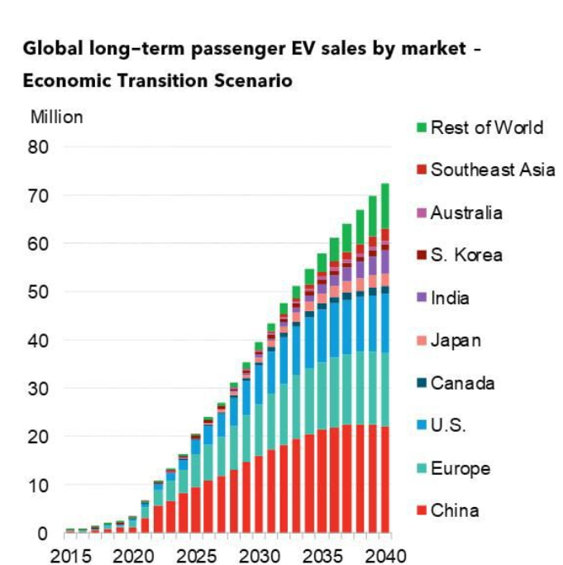

 |  |  |  |  |  | 2019 | 2020 | 2021 | 2022 | 2023 | 2024 | 2025 | 2026 | 2027 | 2028 | 2029 | 2030 | 2031 | 2032 | 2033 | 2034 | 2035 | 2036 | 2037 | 2038 | 2039 | 2040
 |  |  |  |  | Number of pixels | 19 | 14 | 20 | 31 | 43 | 56 | 68 | 83 | 109 | 137 | 168 | 204 | 234 | 267 | 293 | 318 | 341 | 362 | 379 | 395 | 413 | 433

 |  |  |  |  | Pixels per 10 million | 80

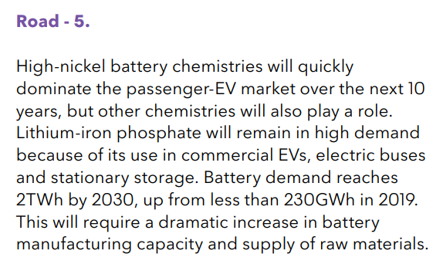

2017 | 1210000
2018
2019
2020
2021
2022 | 10600000
2023
2024
2025 | 21000000
2026
2027
2028
2029
2030 | 40000000
2031
2032
2033
2034
2035 | 55000000
2036
2037
2038
2039
2040 | 72000000

EV Sigmoid Fitting
Sigmoid Fitting |  |  | x | y | ycalc
min | 104988.75275 | <- named cell "min" | 2019 | 230,000 | 278783.70203 | Procedure
max | 4569491.3135 | <- named cell "max" | 2020 | 490,909 | 328267.45651 | (1) Paste data into the x and y column.
ec50 | 2031.2311616 | <- named cell "ec_50" | 2021 | 751,818 | 390901.62655 | (2) Enter the initial values into the min/max/n/ec50 parameters.
k | 0.26214442251 |  | 2022 | 1,012,727 | 469595.48319 | (3) Start Excel Solver (Tools > Solver)
 |  |  | 2023 | 1,273,636 | 567551.15075 | (4) Set "Target cell" to "B7" (Sum of squared residuals).
SSR | 1.2561350861E+14 |  | 2024 | 1,534,545 | 688080.8828 | (5) Set "equall to" section to "Value of 0".
 |  |  | 2025 | 1,795,455 | 834293.57521 | (6) Add constraints like EC50>0 by clicking "Add". Add other constraints if necessary.
 |  |  | 2026 | 2,056,364 | 1008633.944 | (7) Click "Solve" to perform fitting.
FUN | min+(max-min)/(1+10^(n*(log10(x)-log10(ec_50)))) |  | 2027 | 2,317,273 | 1212295.4354 | (8) Close the solver window and check the graph to see if the calculated curve fitted well.
 |  |  | 2028 | 2,578,182 | 1444589.7392
 |  |  | 2029 | 2,839,091 | 1702427.8234 | See the following reference for details.
 |  |  | 2030 | 3,100,000 | 1980113.8134 | Kemmer G. nd Keller S. (2010) Nonlinear least-squares data fitting in Excel spreadsheets. Nat. Protocols 5, 267–281.
 |  |  | 2031 | - | 2269626.0525
 |  |  | 2032 | - | 2561433.0746
 | y | ycalc
2019 | 2375000 | 1389132.1641
2020 | 1750000 | 2021843.2719
2021 | 2500000 | 2835096.8553
2022 | 3875000 | 3872186.6406
2023 | 5375000 | 5181480.7303
2024 | 7000000 | 6813588.8256
2025 | 8500000 | 8816233.2841
2026 | 10375000 | 11226473.259
2027 | 13625000 | 14060660.845
2028 | 17125000 | 17303745.69
2029 | 21000000 | 20900972.173
2030 | 25500000 | 24755807.045
2031 | 29250000 | 28737059.3
2032 | 33375000 | 32695224.467
2033 | 36625000 | 36484206.532
2034 | 39750000 | 39982014.338
2035 | 42625000 | 43104531.091
2036 | 45250000 | 45809663.602
2037 | 47375000 | 48092978.656
2038 | 49375000 | 49978278.595
2039 | 51625000 | 51506844.679
2040 | 54125000 | 52727977.782
2041 |  | 53692031.914
2042 |  | 54446041.035
2043 |  | 55031465.128
2044 |  | 55483417.472
2045 |  | 55830797.703
2046 |  | 56096900.263
2047 |  | 56300214.433
2048 |  | 56455248.151
2049 |  | 56573288.008
2050 |  | 56663058.092
 | y | ycalc
2019 | 2375000 | 1389132.1641
2020 | 1750000 | 2021843.2719
2021 | 2500000 | 2835096.8553
2022 | 3875000 | 3872186.6406
2023 | 5375000 | 5181480.7303
2024 | 7000000 | 6813588.8256
2025 | 8500000 | 8816233.2841
2026 | 10375000 | 11226473.259
2027 | 13625000 | 14060660.845
2028 | 17125000 | 17303745.69
2029 | 21000000 | 20900972.173
2030 | 25500000 | 24755807.045
2031 | 29250000 | 28737059.3
2032 | 33375000 | 32695224.467
2033 | 36625000 | 36484206.532
2034 | 39750000 | 39982014.338
2035 | 42625000 | 43104531.091
2036 | 45250000 | 45809663.602
2037 | 47375000 | 48092978.656
2038 | 49375000 | 49978278.595
2039 | 51625000 | 51506844.679
2040 | 54125000 | 52727977.782
2041 |  | 53692031.914
2042 |  | 54446041.035
2043 |  | 55031465.128
2044 |  | 55483417.472
2045 |  | 55830797.703
2046 |  | 56096900.263
2047 |  | 56300214.433
2048 |  | 56455248.151
2049 |  | 56573288.008
2050 |  | 56663058.092
 |  |  | 2033 | - | 2845699.7624
 |  |  | 2034 | - | 3113575.721
 |  |  | 2035 | - | 3358221.5159
 |  |  | 2036 | - | 3575342.1035
 |  |  | 2037 | - | 3763189.6578
 |  |  | 2038 | - | 3922163.6312
 |  |  | 2039 | - | 4054208.6166
 |  |  | 2040 | - | 4162192.4631
 |  |  | 2041 |  | 4249381.2189
 |  |  | 2042 |  | 4319057.8987
 |  |  | 2043 |  | 4374282.7762
 |  |  | 2044 |  | 4417768.0756
 |  |  | 2045 |  | 4451833.4089
 |  |  | 2046 |  | 4478411.8204
 |  |  | 2047 |  | 4499083.5324
 |  |  | 2048 |  | 4515121.8487
 |  |  | 2049 |  | 4527541.6462
 |  |  | 2050 |  | 4537145.1568

Calculations
For grid batteries, we will use BNEF NEO numbers and curve fit to extrapolate
for years 2014-2050. We assume no grid batteries retire during the model
run, so installed capacity equals cumulative capacity.

 | 2019 | 2020 | 2021 | 2022 | 2023 | 2024 | 2025 | 2026 | 2027 | 2028 | 2029 | 2030 | 2031 | 2032 | 2033 | 2034 | 2035 | 2036 | 2037 | 2038 | 2039 | 2040 | 2041 | 2042 | 2043 | 2044 | 2045 | 2046 | 2047 | 2048 | 2049 | 2050
Grid battery capacity (MWh) | 23809.52381 | 23809.52381 | 50000 | 76190.47619 | 102380.95238 | 128571.42857 | 154761.90476 | 238095.2381 | 321428.57143 | 404761.90476 | 488095.2381 | 571428.57143 | 685714.28571 | 800000 | 914285.71429 | 1028571.4286 | 1142857.1429 | 1319047.619 | 1495238.0952 | 1671428.5714 | 1847619.0476 | 2023809.5238 | 2261904.7619 | 2500000 | 2738095.2381 | 2976190.4762 | 3214285.7143 | 3440476.1905 | 3666666.6667 | 3892857.1429 | 4119047.619 | 4345238.0952

For Evs, we use Bloomberg New Energy Finance's numbers. This assumes an aggressive rate of EV deployment,
which matches usual EPS model behavior in the United States and other EPS regions we've tested.

 | 2019 | 2020 | 2021 | 2022 | 2023 | 2024 | 2025 | 2026 | 2027 | 2028 | 2029 | 2030 | 2031 | 2032 | 2033 | 2034 | 2035 | 2036 | 2037 | 2038 | 2039 | 2040 | 2041 | 2042 | 2043 | 2044 | 2045 | 2046 | 2047 | 2048 | 2049 | 2050
EV battery new sales (MWh) | 230000 | 490909.09091 | 751818.18182 | 1012727.2727 | 1273636.3636 | 1534545.4545 | 1795454.5455 | 2056363.6364 | 2317272.7273 | 2578181.8182 | 2839090.9091 | 3100000
EV battery new sales, extrapolated 2031-2040 (GWh) |  |  |  |  |  |  |  |  |  |  |  |  | 3424790.5975 | 3746501.3723 | 4059905.3442 | 4360313.8003 | 4643834.5504 | 4907531.6445 | 5149479.4153 | 5368721.7605 | 5565159.8515 | 5739396.4545
EV battery new sales, extrapolated 2041-2050 (GWh) |  |  |  |  |  |  |  |  |  |  |  |  |  |  |  |  |  |  |  |  |  |  | 5892563.6833 | 6026155.5256 | 6141879.3779 | 6241534.0086 | 6326915.9509 | 6399752.6614 | 6461658.7299 | 6514110.6232 | 6558435.475 | 6595809.922

 | 2018 | 2019 | 2020 | 2021 | 2022 | 2023 | 2024 | 2025 | 2026 | 2027 | 2028 | 2029 | 2030 | 2031 | 2032 | 2033 | 2034 | 2035 | 2036 | 2037 | 2038 | 2039 | 2040 | 2041 | 2042 | 2043 | 2044 | 2045 | 2046 | 2047 | 2048 | 2049 | 2050
EV battery cap, cumulative (MWh) | 2500000 | 2730000 | 3220909.0909 | 3972727.2727 | 4985454.5455 | 6259090.9091 | 7793636.3636 | 9589090.9091 | 11645454.545 | 13962727.273 | 16540909.091 | 19380000 | 22480000 | 25904790.598 | 29651291.97 | 33711197.314 | 38071511.114 | 42715345.665 | 47622877.309 | 52772356.724 | 58141078.485 | 63706238.337 | 69445634.791 | 75338198.474 | 81364354 | 87506233.378 | 93747767.387 | 100074683.34 | 106474436 | 112936094.73 | 119450205.35 | 126008640.83 | 132604450.75
Sum-of-series multiplier for years prior to 2019 (GWh) | 2500
EV Battery Sales (NOT Cumulative)
 | EV battery new sales (MWh) | EV battery new sales, extrapolated 2031-2040 (GWh) | EV battery new sales, extrapolated 2041-2050 (GWh)
2019 | 230000
2020 | 490909.09091
2021 | 751818.18182
2022 | 1012727.2727
2023 | 1273636.3636
2024 | 1534545.4545
2025 | 1795454.5455
2026 | 2056363.6364
2027 | 2317272.7273
2028 | 2578181.8182
2029 | 2839090.9091
2030 | 3100000
2031 |  | 3424790.5975
2032 |  | 3746501.3723
2033 |  | 4059905.3442
2034 |  | 4360313.8003
2035 |  | 4643834.5504
2036 |  | 4907531.6445
2037 |  | 5149479.4153
2038 |  | 5368721.7605
2039 |  | 5565159.8515
2040 |  | 5739396.4545
2041 |  |  | 5892563.6833
2042 |  |  | 6026155.5256
2043 |  |  | 6141879.3779
2044 |  |  | 6241534.0086
2045 |  |  | 6326915.9509
2046 |  |  | 6399752.6614
2047 |  |  | 6461658.7299
2048 |  |  | 6514110.6232
2049 |  |  | 6558435.475
2050 |  |  | 6595809.922

 | EV battery cap, cumulative (MWh)
2019 | 2730000
2020 | 3220909.0909
2021 | 3972727.2727
2022 | 4985454.5455
2023 | 6259090.9091
2024 | 7793636.3636
2025 | 9589090.9091
2026 | 11645454.545
2027 | 13962727.273
2028 | 16540909.091
2029 | 19380000
2030 | 22480000
2031 | 25904790.598
2032 | 29651291.97
2033 | 33711197.314
2034 | 38071511.114
2035 | 42715345.665
2036 | 47622877.309
2037 | 52772356.724
2038 | 58141078.485
2039 | 63706238.337
2040 | 69445634.791
2041 | 75338198.474
2042 | 81364354
2043 | 87506233.378
2044 | 93747767.387
2045 | 100074683.34
2046 | 106474436
2047 | 112936094.73
2048 | 119450205.35
2049 | 126008640.83
2050 | 132604450.75

